CELEBRITY BAKERY (Bakery)
DATE | INV.NO | DESCRIPTION | QTY | BILLS | PRICE | SUBTOTAL | TOTAL
2026-01-29 | 001-2601290042 | BAQUETTE GLUTTENFREE 300GR | 3 | 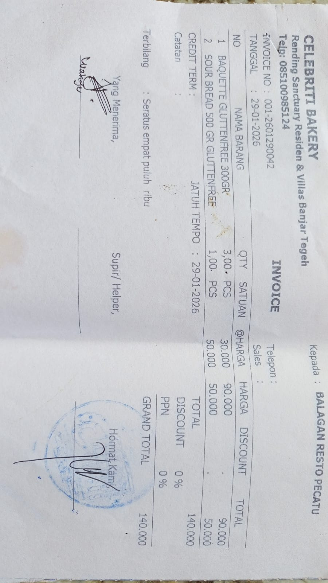 | Rp30,000 | Rp90,000 | Rp140,000
 |  | SOUR BREAD 500GR GLUTENFREE | 1 |  | Rp50,000 | Rp50,000

TOTAL |  |  |  | Rp140,000

